GUI CGI SPEC
Xmind
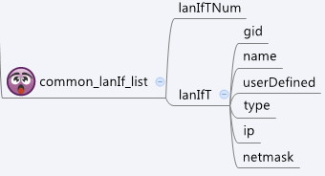

Behavior
# Limitations: Max lanIf Table Size = 32

[UI Display Name] | [CGI Name] | [JSON Name] | [Description]
N/A | common_lanIf_list.cgi | guiLanIfTNum | int
guiLanIfT:
N/A | common_lanIf_list.cgi | guiLanIfT.gid | int, unique id of zone object
N/A | common_lanIf_list.cgi | guiLanIfT.name | All viewable ASCII code except (whitespace) ‘ ` “ % ?
N/A | common_lanIf_list.cgi | guiLanIfT.userDefined | 0: not user defined, 1: user defined
N/A | common_lanIf_list.cgi | guiLanIfT.type | Currently not use. Always 0.
N/A | common_lanIf_list.cgi | guiLanIfT.ip | IPv4 address
N/A | common_lanIf_list.cgi | guiLanIfT.netmask | IPv4 netmask

JSON String
common_lanIf_list.cgi
## GET for get previous settings ##
{
"guiLanIfTNum":2, "guiLanIfT":[{"gid":7000, "name":"LAN1", "userDefined":1, "type":0,"ip":"9.9.9.9", "netmask":"255.0.0.0"}, {"gid":7001, "name":"LAN2", "userDefined":1, "type":0,"ip":"10.10.10.10", "netmask":"255.0.0.0"}]
}
## NO POST Method

